Capture efficiency
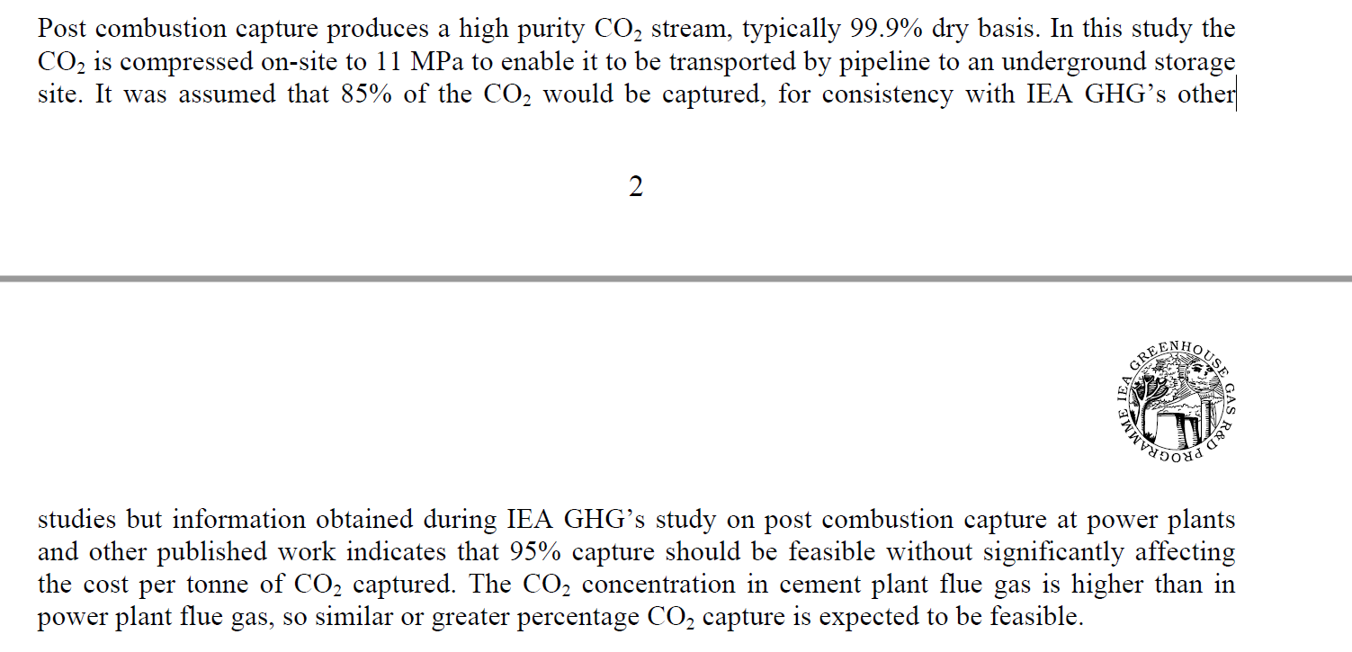
We use the same rates as the Energy Futures Initiative (2019) report, which uses the following:

Capture rates for (1) cement and concrete production, and (2) Refining and hydrogen production
0.6 | Cement (60 percent capture rate)
0.65 | Petroleum Refining and Hydrogen Production (65 percent capture rate).

Other notes

CO2 Capture by Calcium Looping at Relevant Conditions for Cement Plants: Experimental Testing in a 30 kWth Pilot Plant

An average CO2 capture efficiency of 0.78 was achieved by maintaining a solids circulation rate of 2.2 kg/m2s between the reactors by using a sorbent with a CO2 carrying capacity of 0.34.

Ind. Eng. Chem. Res.201756102634-2640
Publication Date:February 24, 2017
https://doi.org/10.1021/acs.iecr.6b04617

https://pubs.acs.org/doi/pdf/10.1021/acs.iecr.6b04617?rand=alc3atou

IEA

As well, concentrations of carbon dioxide in flue gas waste streams flowing out of cement kilns (the main energy using stage)
are higher than for typical coal or natural gas power plants or other industrial factories. The IEA estimates that 95% of CO2 can be captured cost-effectivelly.

